TestSummary
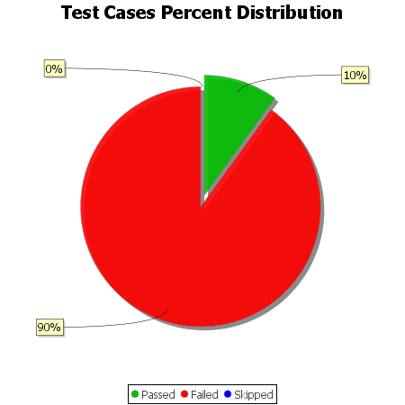
Total Test Cases | 10
Test Cases Passed | 1
Test Cases Failed | 9
Test Cases Skipped | 0

